Sheet1
Deed lease for fod or shopping mall | IMAGE | REMARKS
 | 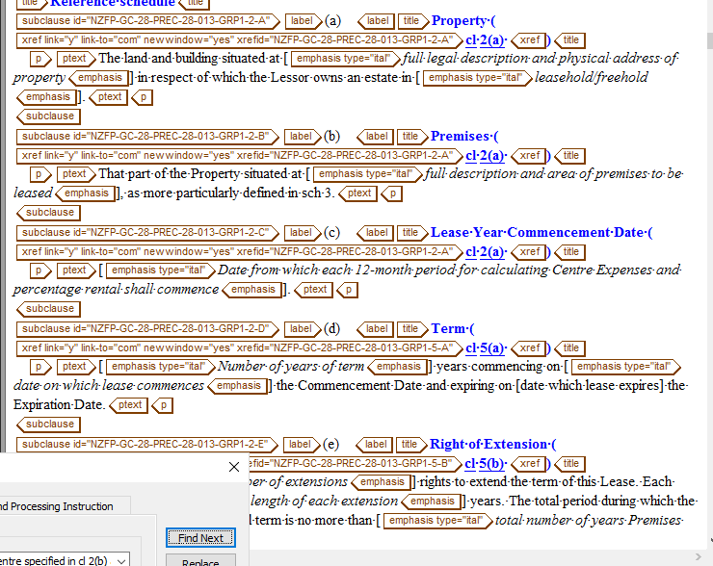 | omit xref in the title tag
 | 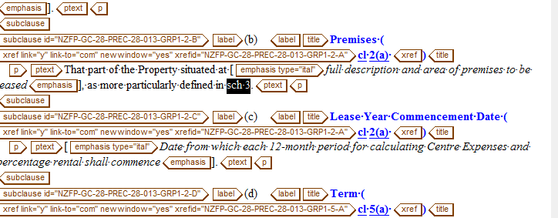 | provide xref for this SCHEDULE
 |  | omit space for this text
 |  | this text must be emphasis
 |  | provide space between xref & the word must
 |  | omit emphasis tag and replace it on term tag
 |  | in correct nesting
 |  | missing content (I) in the start of text
 |  | in correct nesting
 |  | SCHEDULE 1 / SCHEDULE 2 must be on label tag
 |  | omit the added space
 | 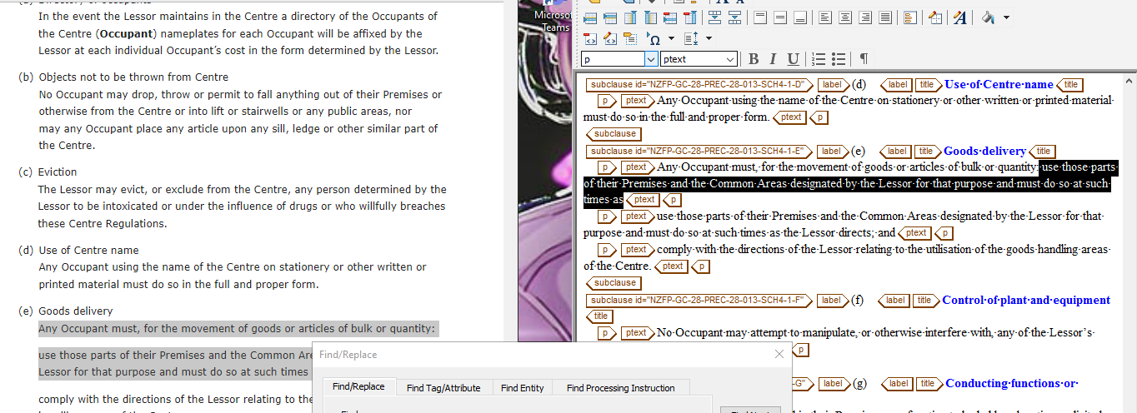 | in correct nesting
 |  | provide xref

